Drinks
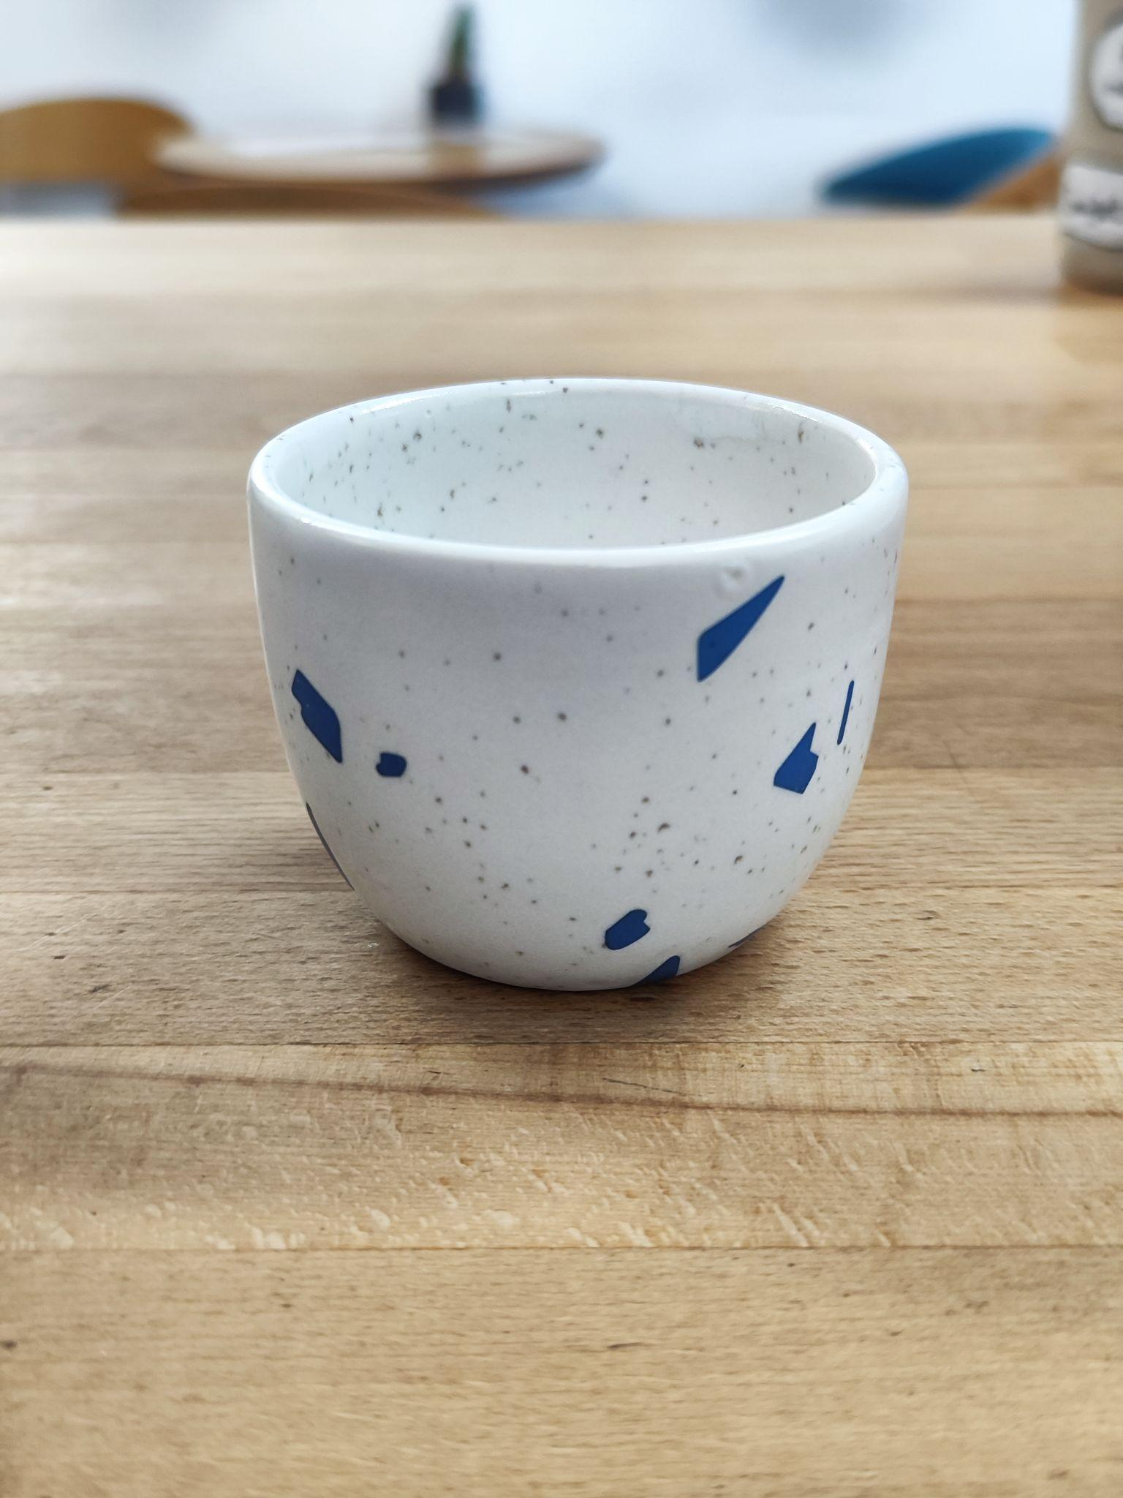
Name | Volume | Recipe | Method | Serving/Discription
BLACK COFFEE
DOUBLE ESPRESSO | 34-48gr | 20gr coffee beans | 1)Prepare espresso using brew ratio 1.8-2.2 2)The weight of the espresso must be within 34-48gr | -
AMERICANO | 200ml | Double espresso 90gr - hot water 70gr- filtred water | 1)Mix hot and cold water into the cup 2)Pour double espresso into the water | 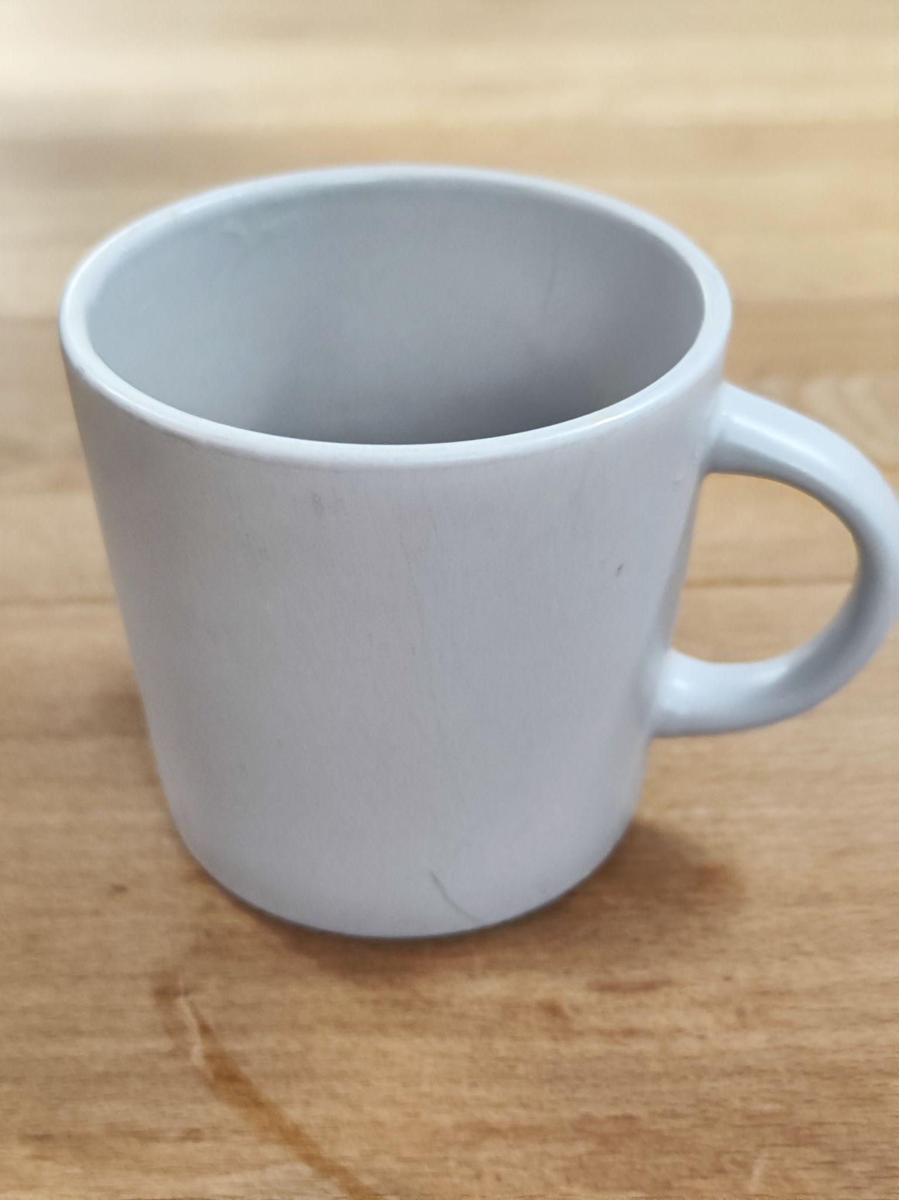
HARIO V60 | 300ml | Filter coffee beans 94deg - temperature 18gr - filter coffee beans 300gr - yield v60 - grind Size 2:40-4m - total time | 1)put 18 grams of grounded beans into a moistened filter 2)add water according to the recipe : Amount of pours 3 1t(wetting) 50gr (0->50gr) (0s->15s) 2d 125gr (50gr->175gr) (30->1m) 3d 125gr (175gr->300gr) (1:30->2m)
CHEMEX | 500ml | Filter coffee beans 94deg - temperature 32gr - filter coffee beans 500gr - yield Chemex - grind Size | 1)put 18 grams of grounded beans into a moistened filter 2)add water according to the recipe : Amount of pours 2 1t(wetting) 100gr, then wait for 30sec 2d slowly pour 400gr of water from the center in a spiral
Black Strawberry | 370ml | Filter coffee beans 94+deg - temperature 18gr - filter coffee beans 300gr - yield Hoop - grind Size 4:30 - total time 90gr of the frozen strawberry | 1)Put 90gr of the frozen strawberry into the server 2)put 18 grams of grounded beans into a moistened filter 3)add water according to the recipe : pour in the entire volume of water(on the sides)
FrenchPress | 350ml | Filter coffee beans 95deg - temperature 16,5gr - filter coffee beans 350gr - yield 14,5 - grind Size 3m - total time | 1. Поставить чайник, помолоть зерно, засыпать зерно в пресс. 2. Включить таймер на весах, Влить 100 г горячей воды(95гр), хорошо размешать зерно с водой 3. Влить оставшуюся воду, дождаться контрольного времени - 3м 4. Снять корочку из экстрагированного зерна ложкой, закрыть пресс
HOOP | 300ml | Filter coffee beans 94+deg - temperature 18gr - filter coffee beans 300gr - yield Hoop - grind Size 4:30 - total time | 1)put 18 grams of grounded beans into a moistened filter 2)add water according to the recipe : pour in the entire volume of water(on the sides)
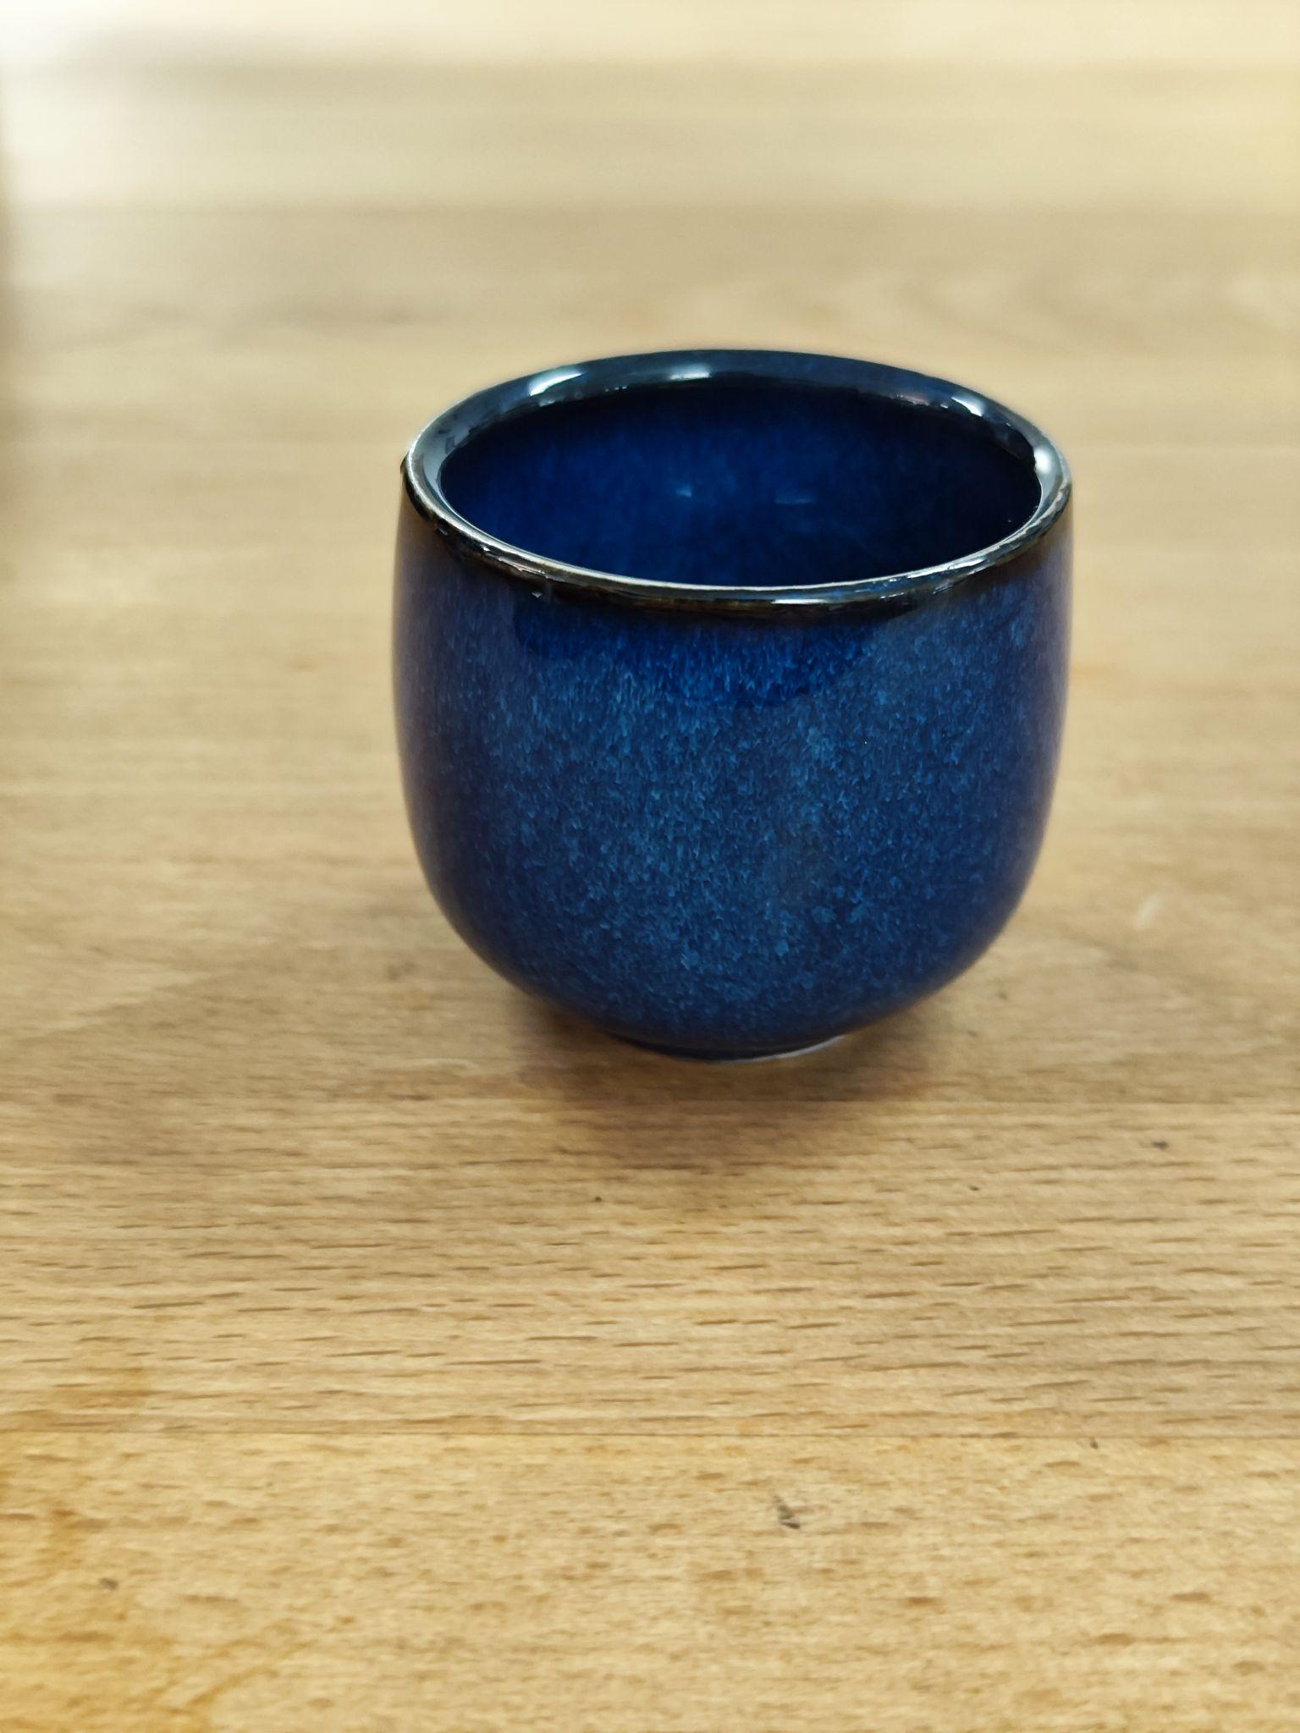
COFFEE&MILK
CORTADO | 70ml | single espresso 50gr - steamed milk | 1)Prepare a single espresso into the cup 2)Pour a drop of milk(10ml) into the cup(glass), stir until the color becomes uniform. 3)Then pour in the milk using the latte art technique.
CAPPUCCINO | 170/270ml | single/double espresso 150/230gr - steamed milk | 1)Prepare a single/double espresso into the cup 2)Pour a drop of milk(20-40ml) into the cup(glass), stir until the color becomes uniform. 3)Then pour in the milk using the latte art technique. 4)Foam 1,5cm
FLAT WHITE | 230ml | double espresso 190gr - steamed milk | 1)Prepare a double espresso into the cup 2)Pour a drop of milk(20-40ml) into the cup(glass), stir until the color becomes uniform. 3)Then pour in the milk using the latte art technique. 4)Foam 0,4mm | 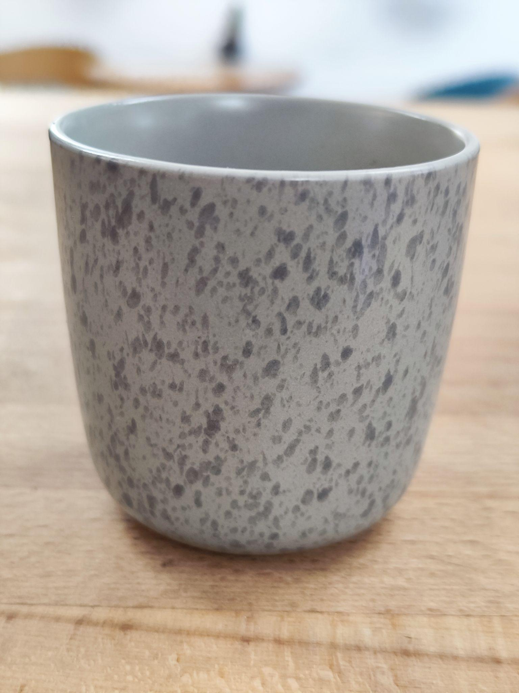
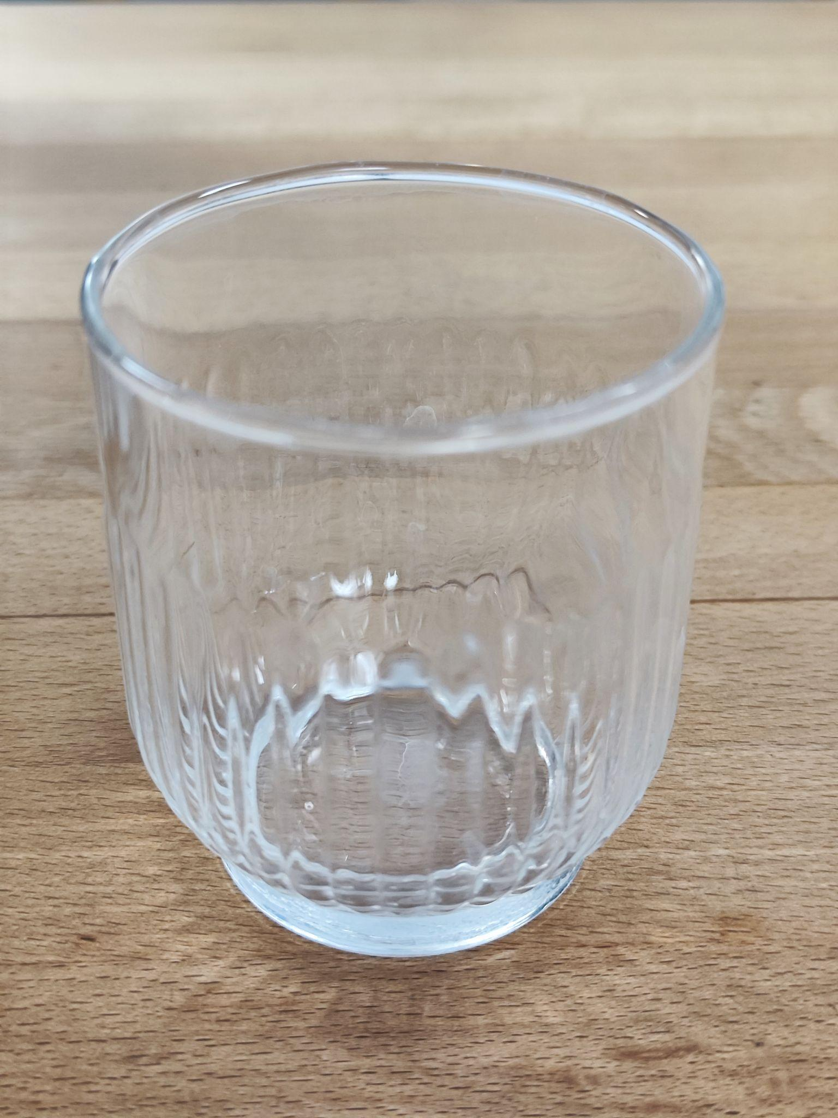
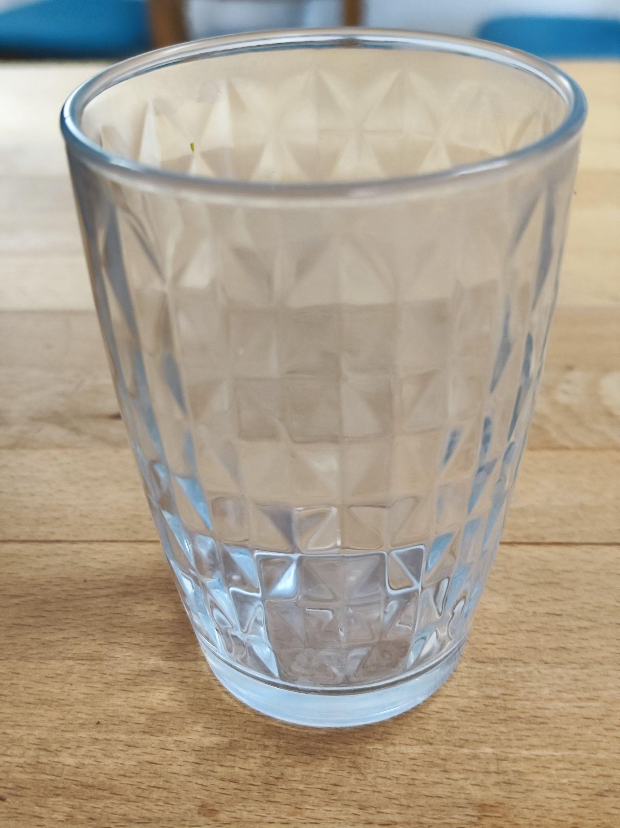
LATTE
LATTE | 270/350ml | single/double - espresso 250/300gr - milk | 1)Prepare a double espresso into the small pitcher 2)Pour in the remaining milk 3)Then pour in the espresso into the milk and create art with etching technique. 4)Foam 1cm
LATTE SINGAPORE | 270/350ml | single/double - espresso 230/260gr - milk 25/40 gr - singapore sauce | 1)Prepare a double espresso into the small pitcher 2)Add syrup to the cup 3)Pour a drop of milk(40-60ml) into the cup(glass), stir until the color becomes uniform. 4)Pour in the remaining milk 5)Then pour in the espresso into the milk and create art with etching technique. 6)Foam 1cm
LATTE SALTED CARAMEL | 270/350ml | single/double - espresso 230/260gr - milk 27/40 gr - salted caramel | 1)Prepare a double espresso into the small pitcher 2)Add syrup to the cup 3)Pour a drop of milk(40-60ml) into the cup(glass), stir until the color becomes uniform. 4)Pour in the remaining milk 5)Then pour in the espresso into the milk and create art with etching technique. 6)Foam 1cm
LATTE SAHARA | 270/350ml | single/double - espresso 230/270gr - milk 20/30 gr - dates syrup | 1)Prepare a double espresso into the small pitcher 2)Add syrup to the cup 3)Pour a drop of milk(40-60ml) into the cup(glass), stir until the color becomes uniform. 4)Pour in the remaining milk 5)Then pour in the espresso into the milk and create art with etching technique. 6)Foam 1cm
LATTE HALVA | 270/350ml | single/double - espresso 210/250gr - milk 40/50 gr - halva saucе | 1)Prepare a double espresso into the small pitcher 2)Add syrup to the pitcher with milk, steam it and pour in the glass 3)Then pour in the espresso into the cup and serve with sesame seeds and halva on top 6)Foam 1cm
LATTE SPANISH | 270/350ml | single/double - espresso 220/260gr - milk 40/50 gr - condensed milk | 1)Prepare a double espresso into the small pitcher 2)Add milk and condensed milk to the pitcher 3)Steam the milk 4)Pour in the milk in the glass 5)Then pour in the espresso into the milk and create art with etching technique. 6)Foam 1cm
LATTE CANADA | 270/350ml | single/double - espresso 230/280gr - milk 18/22 gr - maple syrup | 1)Prepare a double espresso into the small pitcher 2)Add syrup to the cup 3)Pour a drop of milk(40-60ml) into the cup(glass), stir until the color becomes uniform. 4)Pour in the remaining milk 5)Then pour in the espresso into the milk and create art with etching technique. 6)Foam 1cm
RAF COFFEE
VANILLA | 270/350ml | single/double - espresso 170/200gr - milk 80/100 Cream(yellow) 10gr/15gr vanilla sugar | 1)Prepare an espresso into the pitcher 2)Add all ingredients in pitcher 3)Steamed it and serve 4)Foam 1cm
ORANGE | 270/350ml | single/double - espresso 170/200gr - milk 80/100 Cream(yellow) 10gr/15gr Orange powder | 1)Prepare an espresso into the pitcher 2)Add all ingredients in pitcher 3)Steamed it and serve 4)Foam 1cm
LAVENDER | 270/350ml | single/double - espresso 170/200gr - milk 80/100 Cream(yellow) 10gr/15gr Lavander powder | 1)Prepare an espresso into the pitcher 2)Add all ingredients in pitcher 3)Steamed it and serve 4)Foam 1cm
RAF HALVA | 270/350ml | single/double - espresso 150/170gr - milk 70/80 Cream(yellow) 40/50 gr - halva saucе 4gr sesame seeds on top | 1)Prepare an espresso into the pitcher 2)Add all ingredients in pitcher 3)Steamed it and serve with sesame seeds and halva on top 4)Foam 1cm
MIMOZA | 270/350ml | single/double - espresso 170/200gr - milk 80/100 Cream(yellow) 1/1,5 gr - turmeric(куркума) 1.5/2gr - ginger 10/15gr - vanilla sugar | 1)Add all ingredients in pitcher 2)Steamed it and serve 3)Foam 1cm
POP CORN | 270/350ml | single/double - espresso 170/200gr - milk 80/100 Cream(yellow) 10/15 vanilla sugar 1/1,5 gr salt 2 gr - pop corn on top | 1)Prepare an espresso into the pitcher 2)Add all ingredients in pitcher 3)Steamed it and serve with pop corn on top 4)Foam 1cm
ICED COFFEE
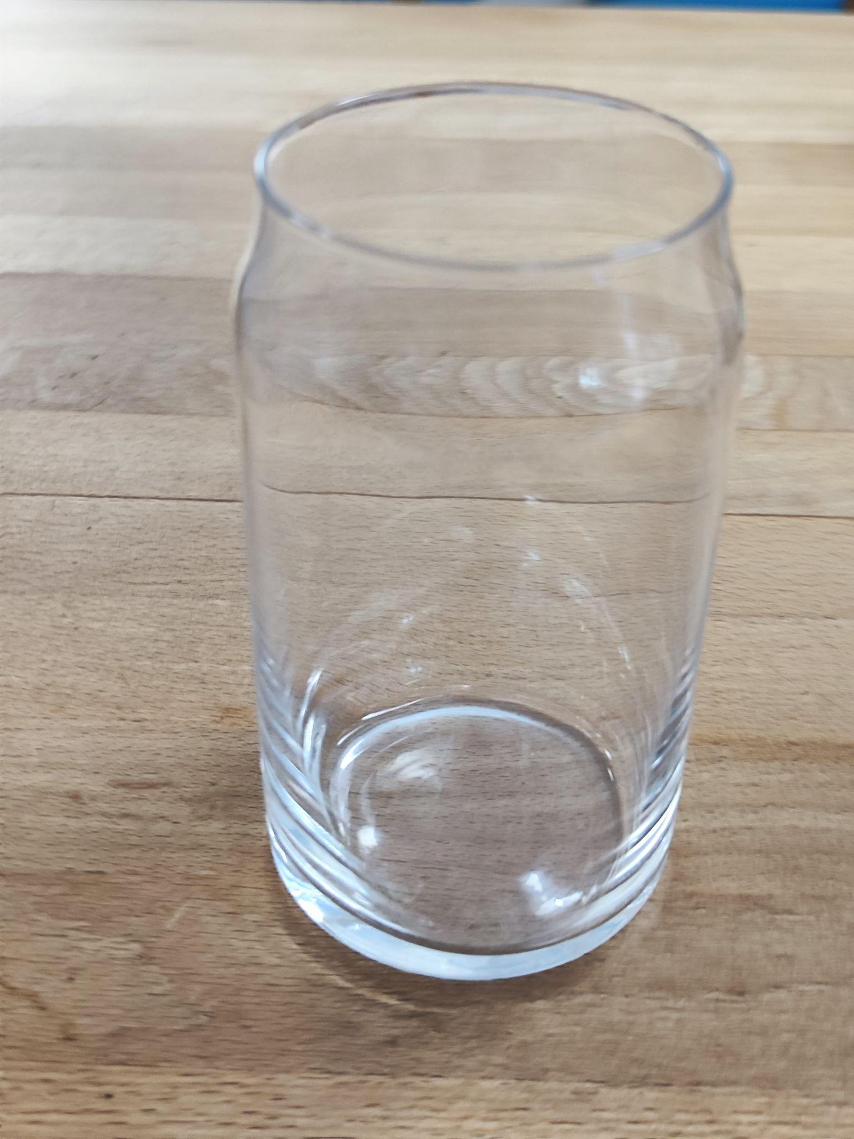
ESPRESSO TONIC | 410ml | Double espresso 13pcs(170gr) - Ice Cubes 10 gr - Lime Juice 160 gr - Tonic 1 - slice of Lime/Lemon | 1)Prepare an espresso into the small pitcher 2)Add ice into the glass 3)Add tonic 4)Add lime juice 5)Pour in an espresso on top 6)Garnish with lemon/lime | Рекомендуем перемешать, чтобы напиток стал однородным. Подаем с трубочкой.
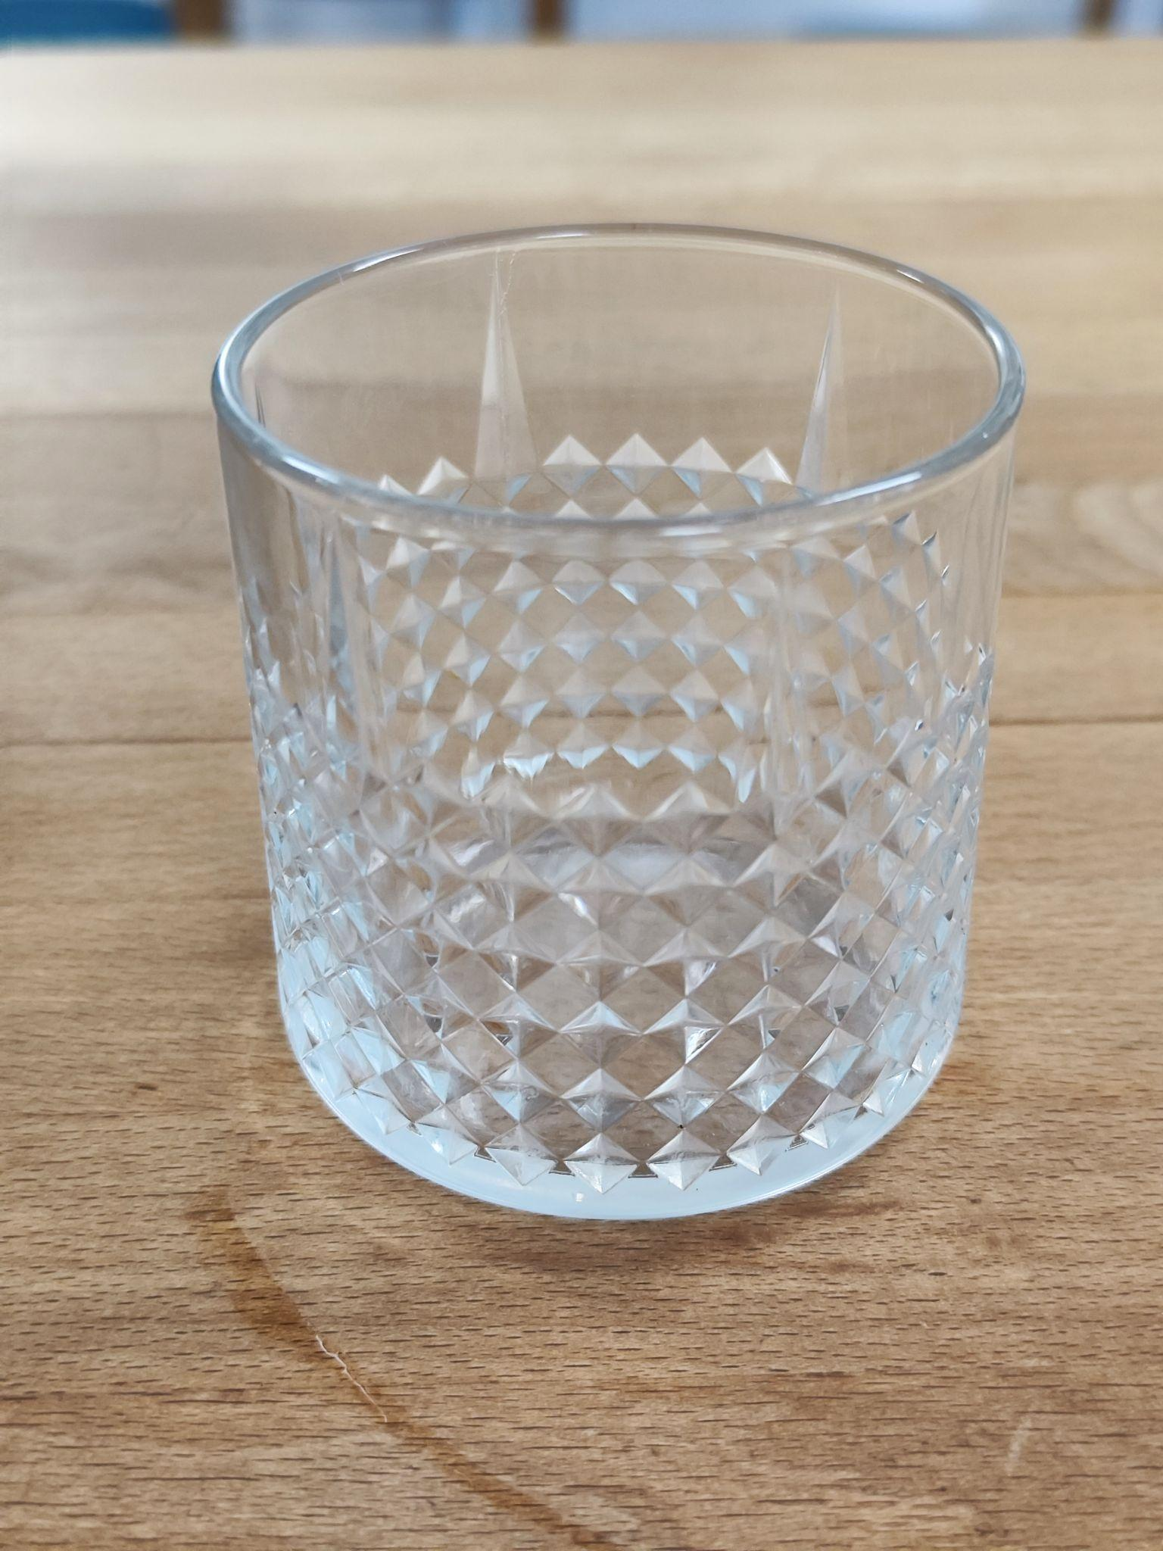
COLD BREW TONIC | 410ml | 13pcs(170gr) - Ice Cubes 170 grр - Schweppes 70 гр - Cold Brew concentrate 1- Slice of an Orange | 1)Add ice into the glass 2)Add tonic and cold brew on top 3)mix it thoroughly 4)Garnish with orange slice | Рекомендуем перемешать, чтобы напиток стал однородным. Подаем с трубочкой.
COLD BREW | 220ml | 4pcs of an ice CB 220ml bottle(closed) | В стакан для чери крим добавить лед и подать с закрытой бутылкой Колд Брю. | В зал подаем в стакане со льдом. Соотношения для кол брю 1к2(1 частьколд брю концентрата к 2частям воды)
BUMBLE | 410ml | 13pcs(170gr) - Ice Cubes 25 gr - Сaramel Syrup 185 gr - Orange Juice Double Espresso 1- Slice of an Orange | 1)Prepare an espresso into the small pitcher 2)Add ice into the glass 3)Add caramel syrup on ice 4)Add orange juice 5)Pour in an espresso on top 6)Garnish with orange slice | Рекомендуем перемешать, чтобы напиток стал однородным. Подаем с трубочкой.
CHERRY CREAM | 300ml | ColdBrew concentrate 8pcs(100gr) - Ice Cubes 40 gr - Cold Brew Concetrate 80 gr - Water 20 gr - Cherry Syrup 40 gr - Fat Cream (>30%) Cold Filter 8pcs(100gr) - Ice Cubes 150 gr - Cold Filter 20 gr - Cherry Syrup 40 gr - Fat Cream (>30%) | 1)Add into the pitcher cherry syrup, water and cold brew(cold filter), mix it thoroughly 2)Whip the cream with an electric whisk within 30 seconds 3)Add ice into the glass 4)Pour in the liquid 5)Pour in the cream | Рекомендуем НЕ перемешивать, и пить из стакана. Это позволит ощутить синергию кофе, вишни и сливок.
BOUNTY | 290ml | 8pcs(100gr) - Ice cubes single espresso 12 gr - condensed milk 12 gr - coconut syrup 140 gr - coconut milk | 1)Prepare an espresso into the small pitcher 2)Add into the pitcher coconut syrup, condensed milk and coconut milk, mix it thoroughly 3)Add ice into the glass 4)Pour in the liquid 5)Pour in an espresso on top | Рекомендуем перемешать, чтобы напиток стал однородным. Подаем с трубочкой.
ICE LATTE | 410ml | double espresso 14pcs/180gr - Ice Cubes 200gr - milk | В стакан кладем лед, вливаем молоко, эспрессо(сверху), не перемешиваем. | Рекомендуем перемешать, чтобы напиток стал однородным. Подаем с трубочкой.
ICE CAPPUCCINO | 410ml | double espresso 14pcs/180gr - Ice Cubes 180 gr - steamed milk | Взбваем молоко с пеной 1.5см до температуры 30гр(максимально быстро) Кладем в стакан лед, вливаем молоко,эспрессо сверху. Не размешиваем. | Рекомендуем перемешать, чтобы напиток стал однородным. Подаем с трубочкой.
ICE AMERICANO | 270ml | double espresso 10pcs/130gr - ice cubes 100gr - filtred water | В стакан кладем лед, вливаем воду, вливаем эспрессо сверху. | Рекомендуем перемешать, чтобы напиток стал однородным. Подаем с трубочкой.
ICE SINGAPORE | 410ml | double espresso 14pcs/180gr - ice cubes 180gr - milk 30gr - lemongrass syrup | В стакан кладем лед, вливаем молоко, добавляем сироп на молоко, эспрессо(сверху), не перемешиваем. | Рекомендуем перемешать, чтобы напиток стал однородным. Подаем с трубочкой.
ICE CARAMEL | 410ml | double espresso 14pcs/180gr - ice cubes 170 gr - milk 40 gr - caramel syrup | В стакан кладем лед, вливаем молоко, добавляем сироп на молоко, эспрессо(сверху), не перемешиваем. | Рекомендуем перемешать, чтобы напиток стал однородным. Подаем с трубочкой.
ICE CANADA | 410ml | double espresso 14pcs/180gr - ice cubes 180gr - milk 25 gr - maple syrup | В стакан кладем лед, вливаем молоко, добавляем сироп на молоко, эспрессо(сверху), не перемешиваем. | Рекомендуем перемешать, чтобы напиток стал однородным. Подаем с трубочкой.
Ice Spanish | 410ml | double espresso 180gr - milk 30gr - condensed milk 14pcs(180gr) ice cubes | В стакан кладем лед, вливаем молоко, добавляем сгущенку на молоко, эспрессо(сверху), не перемешиваем. | Рекомендуем перемешать, чтобы напиток стал однородным. Подаем с трубочкой.
Cherry Ice Matcha | 410ml | 1gr - matcha 20gr - hot water 180gr - milk 25gr - Cherry syrup 15pcs(190gr) ice cubes | В стакан кладем лед, вливаем молоко, добавляем сироп на молоко, мутчу(сверху), не перемешиваем. | Рекомендуем перемешать, чтобы напиток стал однородным. Подаем с трубочкой.
IceCacao | 410ml | 15gr - cacao/50gr cacao sauce 15gr - sugar 50gr - hot water 160gr - milk | В питчер добавляем 15гр какао/50гр какао соус 15гр сахара и горячаю воду 50гр. Взбиваем электрическим венчиком, добавляем холодное молоко в питчер, взбиваем венчиком еще раз, переливаем в цилиндр со льдом. | Подаем с трубочкой.
ICE MATCHA | 290ml | 2gr - matcha 20gr - hot water 125gr - milk 8pcs(100gr) ice cubes | Готовим шот матчи( в 20гр горячей воды добавляем по весам 1гр матчи и тщательно перемешиваем). В стакан добавляем лед, наливаем молоко и вливаем шот матчи сверху, не перемешивая. | Рекомендуем перемешать, чтобы напиток стал однородным. Подаем с трубочкой.
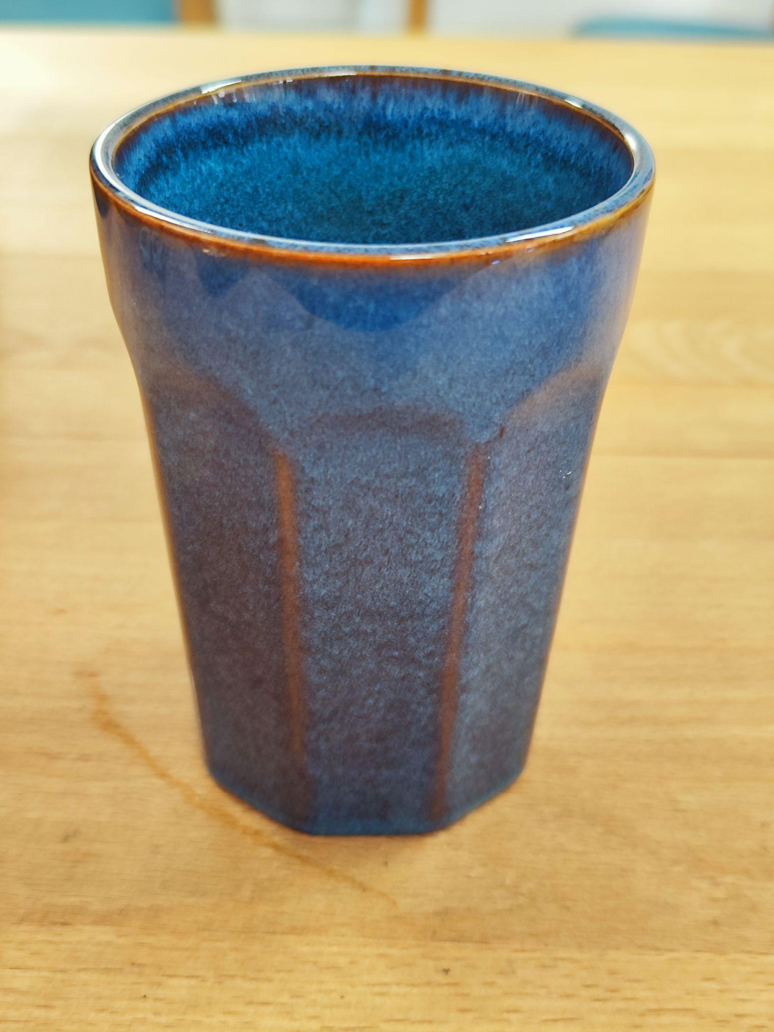
NOT COFFEE
CACAO | 350ml | 15gr cacao powder/50gr cacao sauce 15gr white sugar 40gr - hot water 250gr - milk | 1)Fill up cacaos' cup with 40gr hot water 2)Add powder 3)Whip it with an electric whisk within 15 seconds 4)Pour into the pitcher milk and sugar 5)Steamed it 6)Then pour in the milk using the latte art technique. 7)Foam 1cm
VANILLA SKY | 270ml | 240gr - Mix cream 10gr - vanilla sugar | 1)Add all ingredients in pitcher 2)Steamed it and serve 3)Foam 1cm
LATTE CHICORY | 270ml | 10gr - chicory 20gr - hot water 15gr - maple syrup 220gr - oat milk | 1)Fill small lattes' cup with 20gr hot water 2)Add powder and syrup into the glass 3)Stir it with spoon thoroughly 4)Steamed milk and pour in the milk using the latte art technique. 5)Foam 1cm
LATTE MATCHA | 270ml | 2gr - matcha 20gr - hot water 230gr - milk | 1)Fill small latte cup with 20gr hot water 2)Add powder and syrup into the glass 3)Stir it with spoon thoroughly 4)Steamed milk and pour in the milk using the latte art technique. 5)Foam 1cm
TEA
ASSAM TEA | 450gr | 6gr | 1)Boil a kettle at 95 degrees with filtered water 2)Add tea to the tea pot 3)Add water to the tea pot Brewing for 3 minutes | Classic Indian black tea
DARJEELING TEA | 450gr | 6gr | 1)Boil a kettle at 95 degrees with filtered water 2)Add tea to the tea pot 3)Add water to the tea pot Brewing for 3 minutes | Tea grown in the vicinity of the city of the same name in the northern mountainous part of India in the Himalayas, collected and manufactured under certain conditions. Plantations are located at an altitude of 750-2000 meters above sea level
GREEN TEA | 450gr | 6gr
JASMINE TEA | 450gr | 6gr | 1)Boil a kettle at 85 degrees with filtered water 2)Add tea to the tea pot 3)Add water to the tea pot Brewing for 3 minutes | In dry form, it consists of rolled green tea leaves interspersed with white-yellow jasmine flowers. When brewed, it forms a light yellow infusion with a delicate aroma and noble mild taste.
EASY BREATHING | 450gr | 6gr | 1)Boil a kettle at 100 degrees with filtered water 2)Add tea to the tea pot 3)Add water to the tea pot Brewing for 5 minutes | Light Breath Herbal Tea is ideal for a relaxing break. The tea consists of a unique blend of linden flowers, fenugreek seeds, mint leaves, sage and thyme. All these ingredients have a long tradition in folk medicine and are known for their positive properties.
WILD BERRY | 450gr | 6gr | 1)Boil a kettle at 100 degrees with filtered water 2)Add tea to the tea pot 3)Add water to the tea pot Brewing for 5 minutes | Ingredients: apple pieces, hibiscus, birch leaves, elderberry, blackberry leaves, verbena leaves, strawberry, blackberry, raspberry and blueberry
TIEGUANYIN | 450gr | 6gr | 1)Boil a kettle at 85 degrees with filtered water 2)Add tea to the tea pot 3)Add water to the tea pot Brewing for 3 minutes | The finished drink has a characteristic floral aroma. The taste combines sweetish shades and sourness. The aftertaste is velvety, honey.
SEA BUCKTHORN | 450ml | 145gr - seabuckthorn sauce 305gr - hot water | Add all the ingredients to the kettle and stir with a spoon.
BLACK CURRANT | 450ml | 100gr - black currant sauce 350gr - hot water 1gr rosemary | 1)Put the rosemary in tea pot 2)Add hot water to the tea pot 3)Add BlackCurrant suace 4)Stir it thoroughly and serve
MILKY OOLONG | 450gr | 6gr | 1)Boil a kettle at 85 degrees with filtered water 2)Add tea to the tea pot 3)Add water to the tea pot Brewing for 3 minutes | Only the edges of leaves are fermented; the center of the leaf remains untouched. Such a gentle technology ensures that all the benefits of fresh leaves are preserved. It has a light creamy taste, with sweet notes in the heart of the composition, balanced by a slight bitterness.
COLD DRINKS
ICE SIBERIAN | 410ml | 15pcs(190gr) ice cubes 70gr - sea buckthorn sauce 150gr - filtred water 5gr - sea buckthorn berries | Все ингредиенты в стакан, тщательно перемешать, отдаем | Подаем с трубочкой.
ICE BLACKCURRANT | 410ml | 15pcs(190gr) ice cubes 50gr - blackcurrant sauce 170gr - filtred water | Все ингредиенты в стакан, тщательно перемешать, отдаем | Подаем с трубочкой.
ICE SIBERIAN(Bottle) | 320ml | 105gr - seabuckthorn sauce 215gr - filtred water | Все ингредиенты в бутылку, взолтать, наклеить дату и стикер
ICE BLACKCURRANT(Bottle) | 320ml | 72gr - blackcurrant sauce 248gr - filtred water | Все ингредиенты в бутылку, взолтать, наклеить дату и стикер
SMOOTHIE | 250/350ml | 140/170 gr- orange juice 70/90 gr - frozen strawberry 80/100 gr - banana | Add all ingredients to blender and blend at maximum power for 30 seconds
LEMONADE | 250/410ml | 6/13 - Ice Cubes 30/50 gr - Carmel Syrup 35/50 gr - Lemon Juice 120/160 gr -Sparkling Water 1 - slice of a Lemon | Add all ingredients to a glass, mix thoroughly and garnish with lemon slice
CHERRY LEMONADE | 250/410ml | 6/13 - Ice Cubes 40/55 gr - Cherry Syrup 145/200 gr -Sparkling Water | Add all ingredients to a glass, mix thoroughly
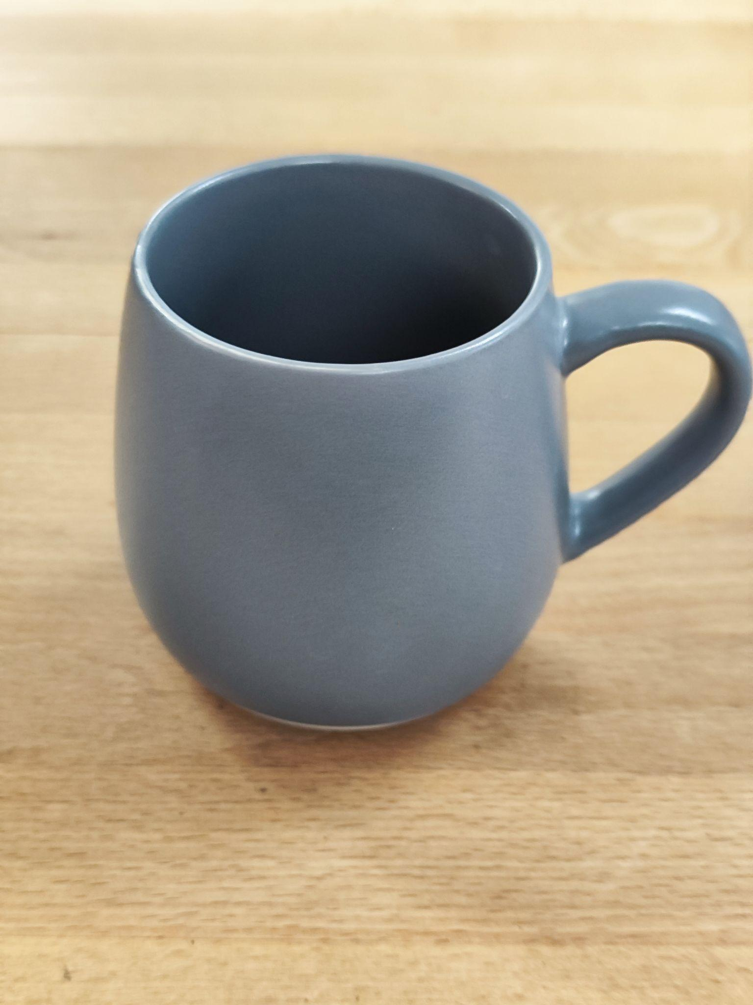
COCKTAILS
Gluhwein N/A | 300ml | put into pan/pot 1 liter cherry juice 1 sliced green apple 1 sliced orange 1/4 sliced lemon 0.5 cinnamons stick + 2 dashes of cinnamon powder 10gr sliced Ginger 10pcs carnations 3 drops of Tabasco | 1. Add all the ingredients to the pan. Cut the fruit into small pieces 2. Turn on the medium heat and bring the workpiece to 90-95 degrees 3. Cook over medium heat for 10-15 minutes. 4. Drain into a saucepan through a sieve, cool. 5. When serving to the guest, preheat with a steamer to 60 degrees.
APEROL SPRITZ | 250ml | 6 - Ice Cubes 50 gr - Aperol 110 gr -Sparkling Wine 35gr - Sparkling Water Orange slice | Add all ingredients to a glass, mix twice and garnish | 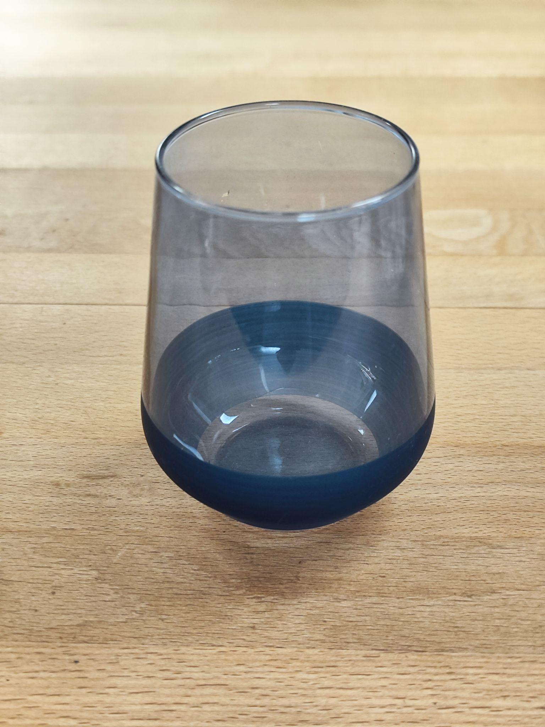
RUBY SUNSET | 410ml | 7 - ice cubes 40ml - cherry bitter 20ml cherry syrup 150gr - orange juice 110 sparkling wine on top | 1. Add ice, bitter, syrup, orange juice 2. Mix it thoroughly. 3. Add sparkling wine on top
SYRUPS/SAUCES
SALTED CARAMEL | 580gr | 300 gr - sugar 360 gr - Mix cream 8 gr - salt | 1.Add white sugar to a saucepan and melt until it reaches a liquid caramel color. (IMPORTANT: do not let the caramel turn black and do not let it “burn”) 2. Add the cream mix to the saucepan. Stir and leave on low power-temperature for 10 minutes. 3. Add salt
VANILLA SUGAR | 400gr | white sugar 200gr vanilla sugar 200gr | mix together
SINGAPORE | 470gr | 300 gr - sugar 360 gr - Mix cream 120 gr- lemongrass | 1. Cut the dry part of the lemongrass, and then push the entire stem with a muddler. 2. Cut the crushed lemongrass into pieces ~ 3-4 cm each. 3. Add white sugar to a saucepan and melt until it becomes a liquid caramel. (IMPORTANT: do not bring the caramel to a state and do not let it “burn”) 4. Add lemongrass to the saucepan with caramel and mix thoroughly, gradually reducing power and temperature. 5. Add cream mix. Stir and leave on low power-temperature for 10 minutes. 6. Strain and pour into a container.
ORANGE POWDER | 275gr | 250 gr - sugar 23 gr - dried orange zest 6 gr - dried lemon zest | 1. Add dried orange and lemon zest and white sugar to the blender. 2. Beat everything at high power until smooth, shaking the glasses periodically for a better result.
LAVANDER POWDER |  | 280 gr - sugar 10 gr - dried lavander 3 gr - salt | 1. Add dried lavender, white sugar and salt to a blender. 2. Beat everything at high power until smooth, shaking the glasses periodically for a better result.
MIX CREAM(RAF) |  | 350 gr - Fat Cream >30% 700 gr - milk (barista) Ratio 1:2 | 1. Mix cream and milk in a bottle.
SIMPLE SYRUP(SUGAR) |  | 200 gr - water 200 gr - sugar | 1. Add sugar and water to the saucepan 2. At medium power-temperature, periodically stirring until the sugar is completely dissolved
SEA BUCKTHORN SAUCE | 800gr | 400 gr - seabuckthorn 300 gr - filtred water 270 gr - white sugar 10gr- lemon juice 5 drops of tabasco(less than 1gr) 10pcs - carnation | 1. Add all to the saucepan. 2. Leave the saucepan for 10 minutes at medium power-temperature. 3. Place the liquid and berries in a blender and blend until smooth. 4. Strain and pour into a container.
BLACK CURRANT SAUCE | 580гр | 300gr BlackCurrant 240gr water 220gr white sugar | 1. Add all to the saucepan. 2. Leave the saucepan for 10 minutes at medium power-temperature. 3. Place the liquid and berries in a blender and blend until smooth. 4. Strain and pour into a container.
HALVA SUACE |  | 120 g white sugar 220 g halva 270 g filtered hot water (80°C) | Place all ingredients in a blender, blend until smooth (there should be no lumps)
CARAMEL SYRUP(BUMBLE) |  | 200 gr - water 200 gr - sugar | 1. Add white sugar to a saucepan and melt until it reaches a liquid caramel color. (IMPORTANT: do not let the caramel turn black and do not let it “burn”) 2. Carefully add water to the saucepan. 3. Leave the saucepan for 10 minutes at low power-temperature.
Cacao sauce |  | 75gr BlackCurrant 350gr water | 1. Add all to the saucepan. 2.Stir at medium temperature until cocoa is completely dissolved.

Cold brew preparation
Grind the filter coffee beans at grinding level 15
200 grams of ground filter coffee beans fill with 1l of water.
Leave for 16 hours
Cold brew 220ml bottle
1 part cold brew, two parts filtered water
73 grams of cold brew preparation + 146 grams of filtred water

Grinding ек43 HERCEG
Type | Size
Decaf | 3.6
Espresso | 4 / (5,5home espresso machine)
Moka | 6
v60 | 12
Aeropress | 10
Turkish coffee | 1
HOOP | 13-14
FrenchPress | 14.5
Filter/Batch | 15

Recipes
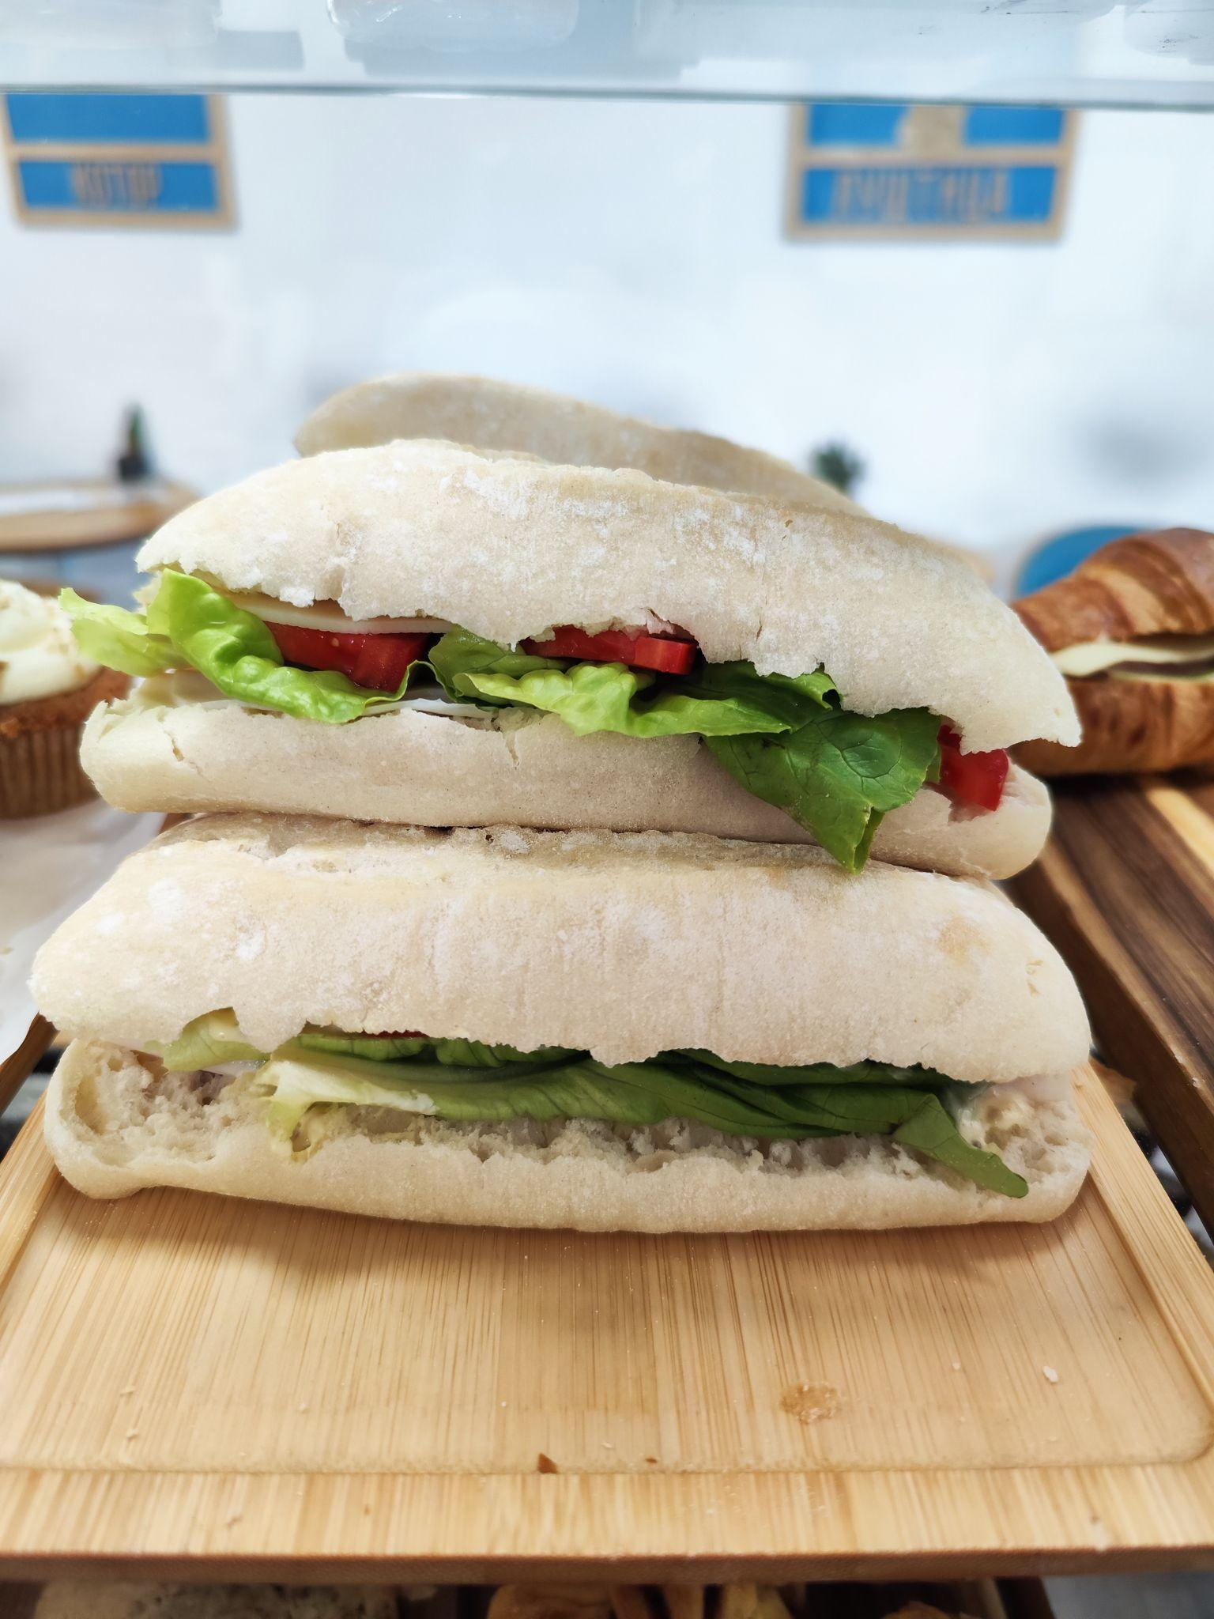
Mustard sauce
1)Mix thoroughly 300 grams of yogurt, 50 grams of mustard, 50 grams of honey, 25 grams of grain mustard.2)Add 1 grams of salt and 1 grams of ground black pepper and mix again.

FruitSalad 280-300гр
Салат фруктовый Апельсин 50(режем дольк(1/8) на 3 части) Яблоко 80(режем дольку(1/8) на 3 части)(вырезаем центр) Мандарин 70(дольки(1/8)) Виноград 80( Виноград предварительно снимаем с ветки, помещаем в бокс ягоды, моем) Общий 280-300гр Комментарии: Нарезку кладём в стакан в свободном порядке, чтобы получился микс 1)Яблоки используем все, которые режем, чтобы не оставалось. Иначе они будут темнеть и их невозможно использовать 2) Вы можете добавлять или уменьшать другие ингредиенты, чтобы использовать уже прорезанные продукты Хранение - в холодильнике Срок годности 48 часов Подача - стакан 04 пластик с наклейкой, крышка без дырки, деревянная вилка

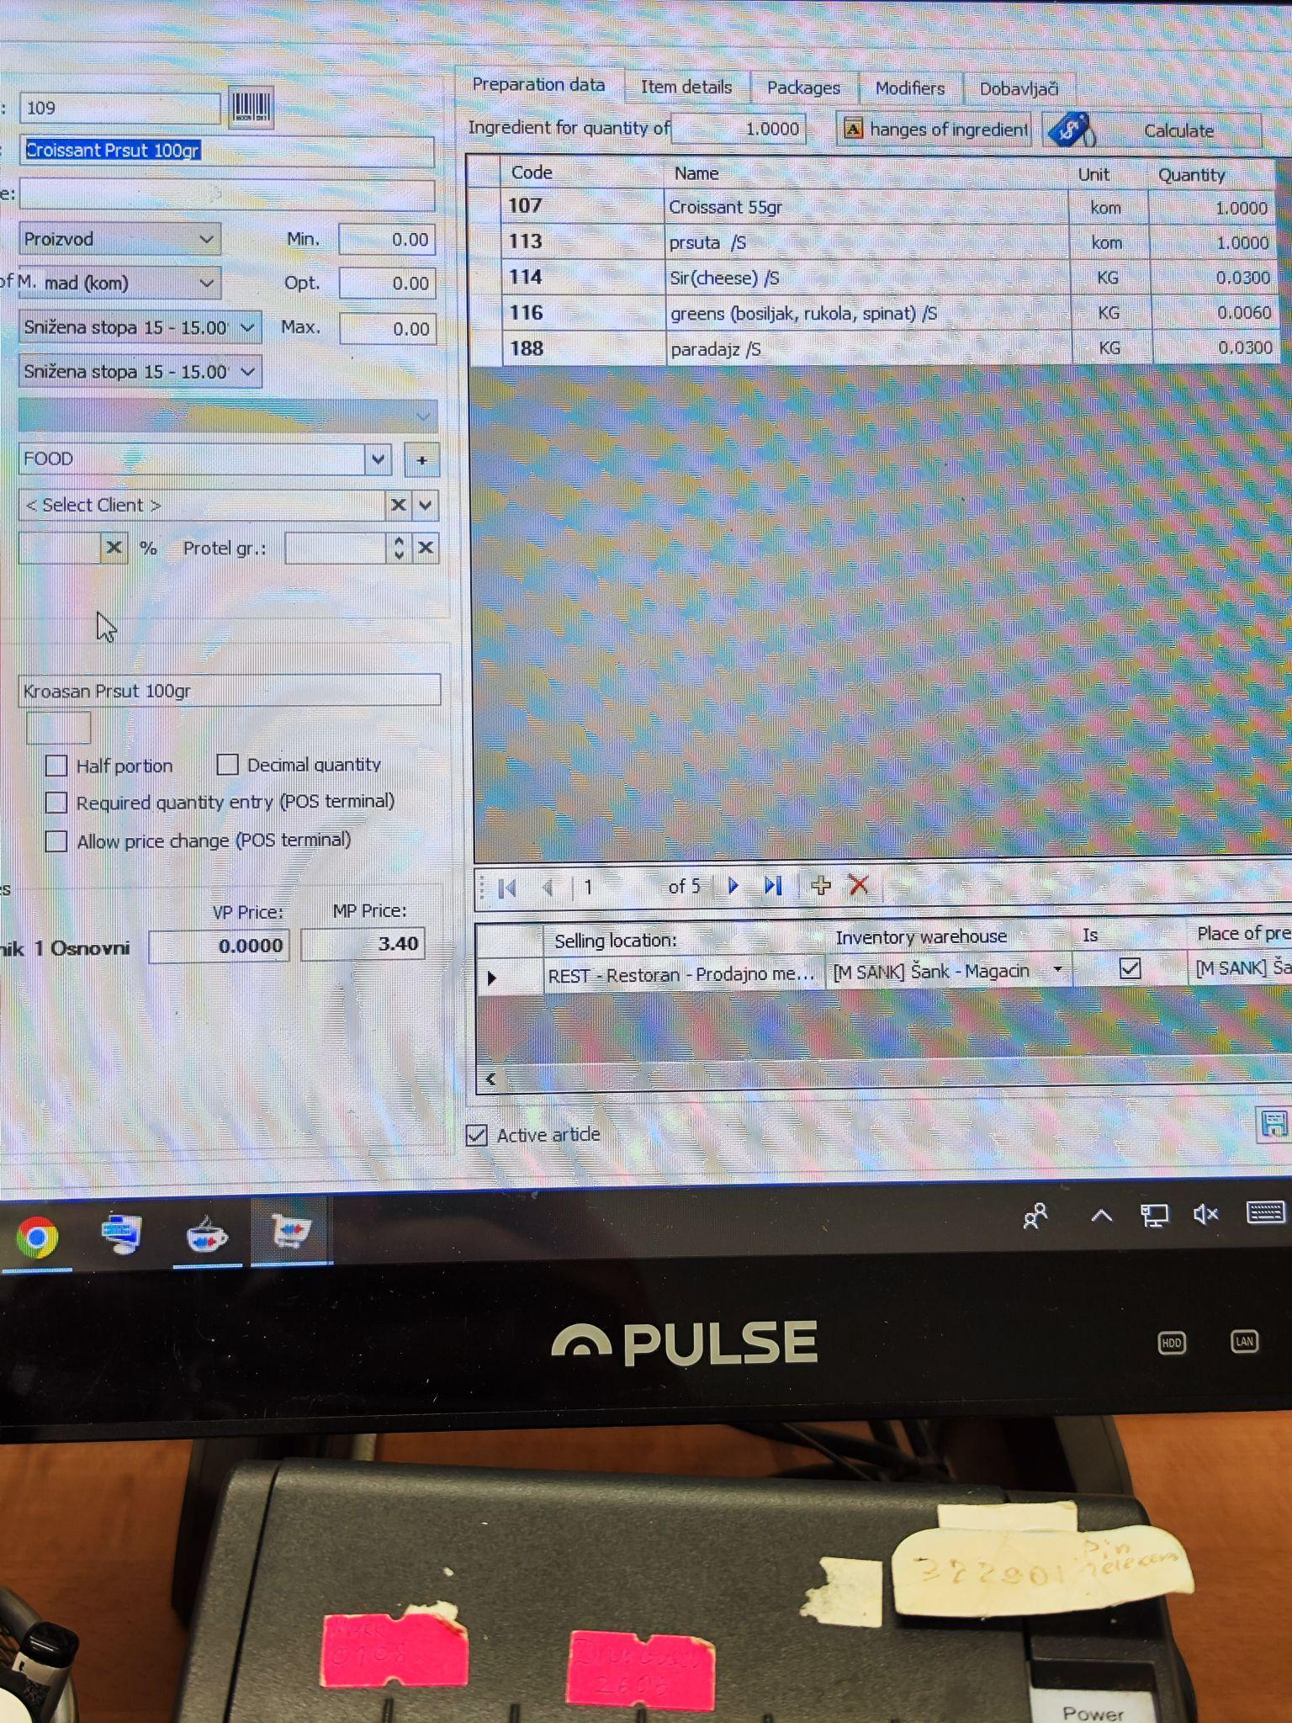
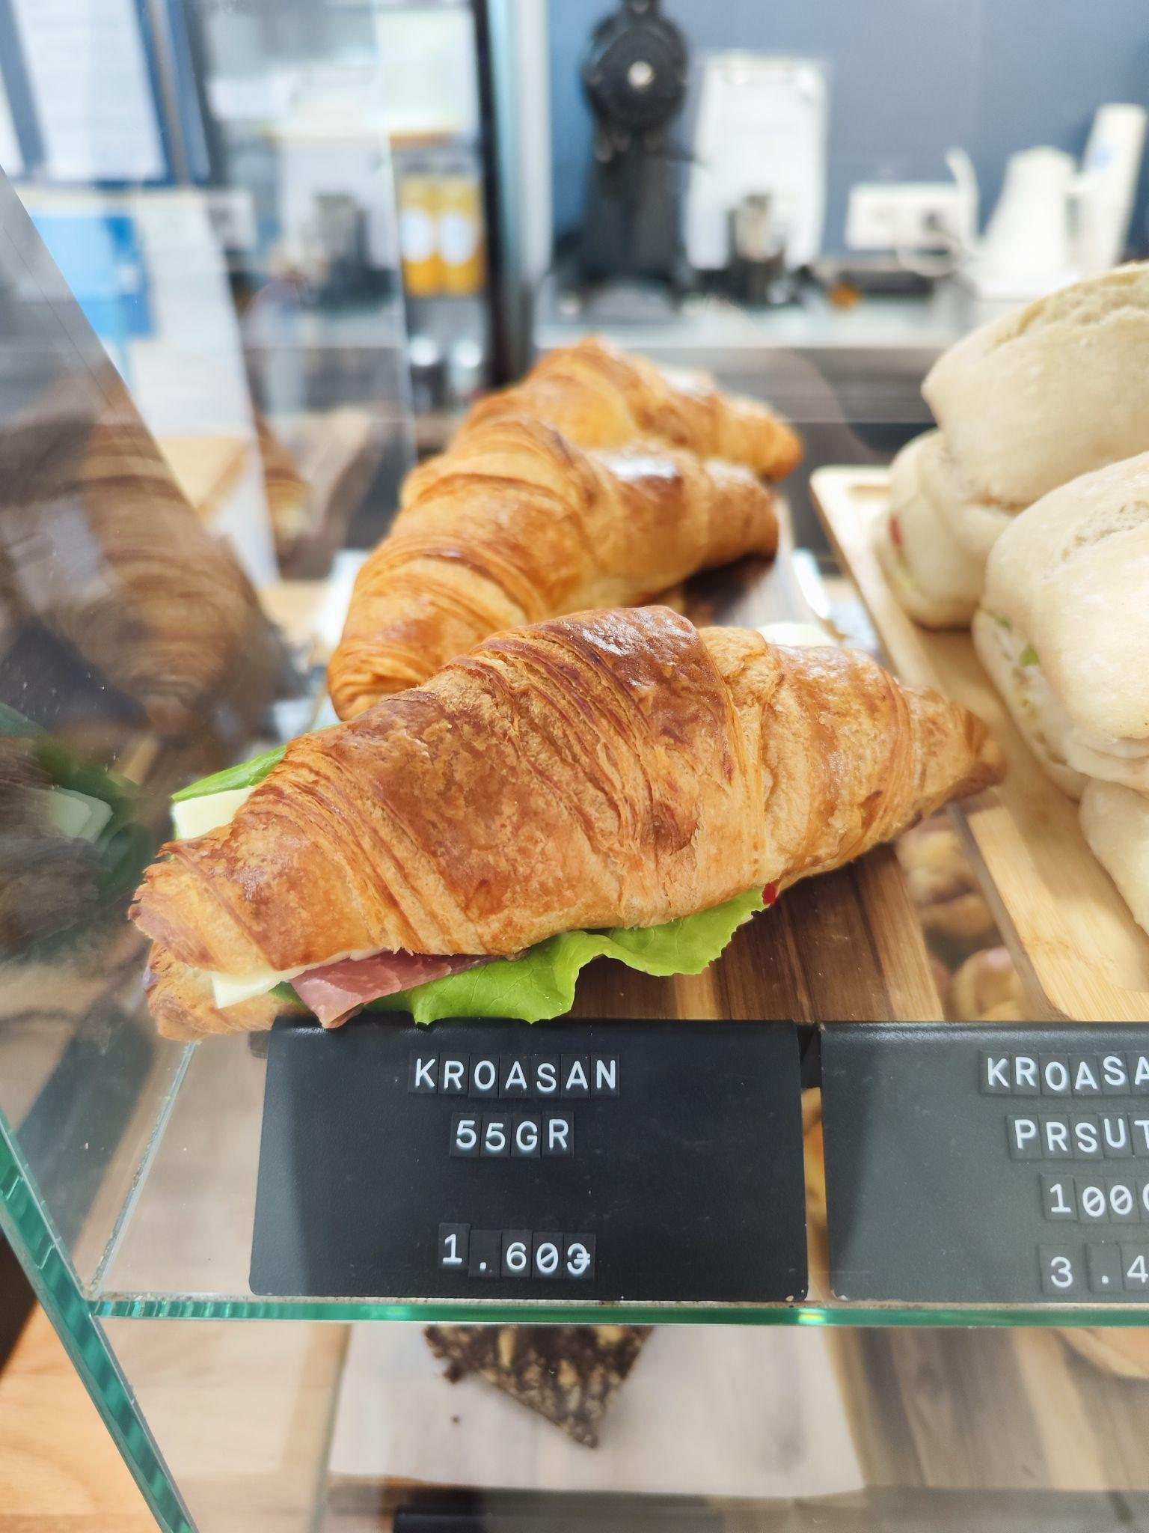

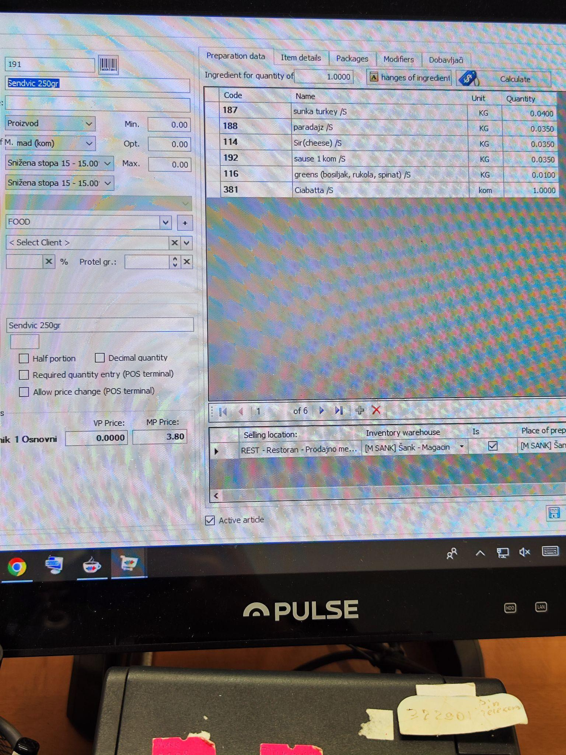
При приготовлении чиабатты важно : сначала на булку выклдываем соус и на соус ветчину, чтобы она проипаталсь

